Introduction
Welcome to the Interagency Gender Action Plan!
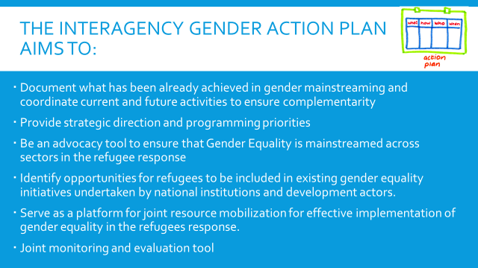
How it works:

The action plan is organized according to sectors

Each sheet contains the action plan for the sector
with key high-impact priority actions higlighted in green

Each sector is organized according to the Interagency Gender Assessment Recommendations

THANK YOU for looking! Please send us your ideas and contributions:
elfatih@unhcr.org

