1 Biogas evaluation
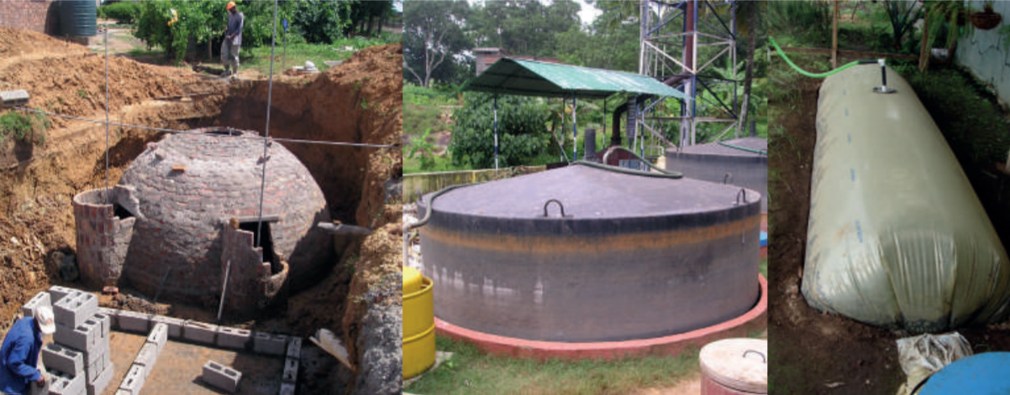
Technology Evaluation Tool Biogas (TET-Biogas)
Evaluates the biogas production potential based on the feedstock(s) entered by the user

This tool can be applied to a continuous wet system, such as fixed or floating dome systems, or a balloon digester system, as shown in the pictures.

Please follow these steps to use the tool: 0. Familiarise yourself with biogas key concepts in the guidance document: Is biogas a feasible option? Assessing anaerobic digestion in humanitarian contexts (Zurbrügg et al., 2024). 1. Select your feedstock type and enter the amount in the white cells under "1) Feedstock input" below. 2. Check your mixture suitability in "2) Mixture suitability check" and follow the instructions until the mixture is suitable. 3. Read the tool results under "3) Results". Note that the results are valid only if the feedstock mixture is suitable!
Summary of feedstocks and key properties
1) Feedstock input
Insert the type and quantities of feedstock available

Type of feedstock | Mass [kg/day] | Key properties |  |  |  |  |  | Moisture content (wet base) | Total solids (wet base) | Volatile solids (dry base) | Ash (dry base) | Volatile Solids (VS) loading | BMP potential methane yield (VS) | Daily methane yield | Carbon (dry base) | Nitrogen (dry base) | Carbon to Nitrogen ratio |  | Total Solids | Carbon content | Nitrogen content
 |  | Moisture | C/N ratio |  |  |  |  | MC [%] (w.b.) | TS [%] (w.b.) | VS of TS [%] (d.b.) | Ash [%] (d.b.) | kgVS/d | m3 CH4/kg VS | m3 CH4/d | C % (d.b.) | N % (d.b.) | C/N ratio | Water content [kg H20] | TS content [kg] | C content [kg] | N content [kg]

2) Mixture suitability check
Check that your feedstock mixture is suitable for anaerobic digestion and make the suggested changes until the validation box is green

Water content | #DIV/0!

 | #DIV/0!

C/N ratio | #DIV/0!

Validation box
Can I use this technology with the current inputs? | #DIV/0!

3) Results
Consider the results only if the validation box above is GREEN

These results are theoretical estimations and are meant to give only a first approximation. The system design and implementation should be guided by an expert.

Inputs
 | Lower value | Higher value
Water [L/day] | 0 |  | Amount added in your feedstock
Manpower | 0 | 0 | For operation and maintenance of the system

Products |  | Potential outputs
Potential biogas production [m3/day] | 0.0 | Hours of cooking on a household burner per day [h/day] |  |  | 0.0
Digestate production [L/day] | 0 | Number of households using a stove for 5 hours per day |  |  | 0.0

 | Design
Active bioreactor volume [L] | 0 |  | Excludes volume for gas storage

 | Lower value | Higher value
Space requirement [m2] | 0 | 0 | Depends on the type of technology available. Flexible bags / balloon digesters have the highest footprint.

Would you like to show the detailed parameters used for the calculations ? |  |  |  |  |  | No

Using the default values is recommended unless you are an experienced user of the tool and an AD expert

 |  | Moisture content | Total solids | Volatile solids |  | Ash | VS loading | Daily methane yield
 | Mass [kg/day] | MC (-) | TS (-) | VS of TS (-) |  | Ash (-) | kgVS/d | m3 CH4/d | C/N ratio
Feedstock mix | 0.0 | #DIV/0! | #DIV/0! | #DIV/0! |  |  | 0.000 | 0.000 | #DIV/0!

 | Key parameters
 | The values in the white boxes may be changed, but only for advanced users of the tool. We recommend to not modify these values as they are based on the reference literature.

 |  |  |  |  |  | References (the numbers refer to the reference list in Sheet n°4)
 | Suitability factor ranges
 |  | Minimum | Maximum
 | Total solids (TS) | 0.05 | 0.15 |  |  | [1] for max; hypothesis for min: lower TS would require too high volume for low biogas production
 | Optimal C/N ratio | 16 | 35 |  |  | [1] for min; [2] for max
 | Acceptable C/N ratio | 6 | 45 |  |  | hypothesis, optimal range from [1] is 16 - 25

 | pH | 6.7 | 7.5 |  |  | [1] & This tool does not test pH suitability, beware that it is an important factor for AD to work properly. Very acidic or basic feedstocks can cause trouble.
 | Ambient temperature [°C] | 15 | 40 |  |  | hypothesis, [1] states optimal 25 - 30 °C, broader range possible

 | AD parameters

 | Biomethane potential (BMP) correction factor [%] | 0.6 |  |  |  | hypothesis, accounting that the biogas produced will correspond to only a fraction of the BMP. Another estimation could be done using the reactor volume: biogas produced=0.55*Reactor_volume. In low dilution conditions (optimals to keep volume low) both methods result in comparable biogas production rates. We did our calculations based on a fraction of the BMP.
 | CH4-content in the biogas [m3 CH4/ m3 biogas] | 0.55 |  |  |  | [4] states from 0.5 to 0.6 - averaged here
 | Average feedstock density [kg/L] | 1
 | Hydraulic retention time (HRT) [days] | 30 |  |  |  | [1]
 | Biogas density [kg/m3] | 1.15 |  |  |  | [5]

 | Biogas consumption parameter

 | Household burners consumption [L/h] | 325 |  |  |  | [6]

 | Operation and design parameters

 |  | Lower value | Higher value
 | Manpower requirement 1st ton of waste | 1 | 1 |  |  | [1]
 | Manpower required per additionnal ton of waste | 1 | 2 |  |  | [1]
 | Space requirement per ton of input feedstock per day [m2/(ton/day)] | 100 | 530 |  |  | [1]
 | Energy needs [kWh/(ton/day)] | 30 | 55 |  |  | [1]

