ЛОТ №1
 |  |  |  | Title
 |  |  |  | Digital Access, Inclusion and Participation
LOT No. 1
# | Description | Q-ty | Reference image | Product of offer, description | Product of offer, image | Unit price, UAH, less VAT | Total cost, UAH, less VAT
 | Laptop Screen 15.6 "" (1920x1080) Full HD IPS screen type Screen refresh rate 144 Hz Processor Intel Core i7-9750H (2.6 - 4.5 GHz), 9th ​​generation Coffee Lake Windows 10 Home Intel RAM 16 GB, Number of slots for RAM - 2, DDR4-2666 MHz RAM type 512 GB SSD NVIDIA GeForce RTX 2060 Weight 2.6 kg, Battery 55 W * h Dimensions (W x D x H) 364 x 265.2 x 20.9 mm Wi-Fi 802.11ac Bluetooth 5.0 4 x USB 3.0 / HDMI I / O connectors and ports / headphone audio jack / microphone audio jack / card reader Country of origin China | 3 | 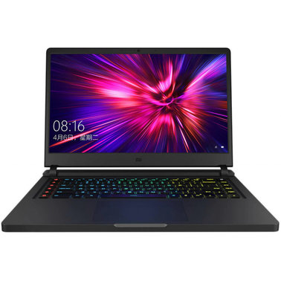 |  |  | 0.00 | 0.00
 | Software Corel VideoStudio Pro 2021 | 4 | 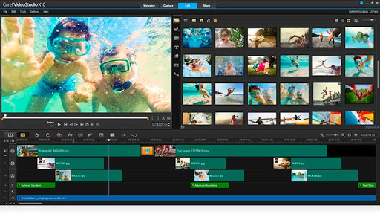 |  |  | 0.00 | 0.00
 | Camera CMOS matrix type Matrix resolution ​​10 MP Maximum Full HD video resolution (1920 x 1080) Maximum frame rate 60 fps (1440p) Electronic (digital) image stabilization Slow motion: Yes Video file format: MP4 (H.264); Maximum video transfer rate: 40 Mbps; Timelapse video; Slow motion, Timelapse Photo resolution 10 MP; Timelapse photo; Continuous photography; Exposure management Color LCD display Touch screen: Yes Protection against shocks, dirt and water Underwater shooting Remote control from a smartphone Built-in microphone, Bluetooth, Wi-Fi, NFC MicroSD memory card slot Type-C USB port HxWxD 62.3 x 44.9 x 28.3 mm Weight 92.4 g " | 4 | 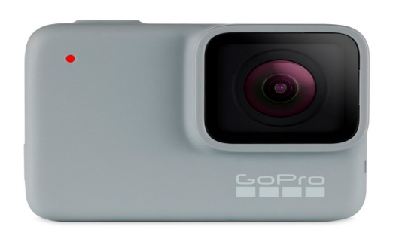 |  |  | 0.00 | 0.00
 | Stabilizer Monopod / handle type | 2 | 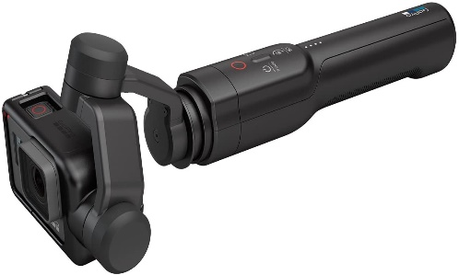 |  |  | 0.00 | 0.00
 | StabilizerBattery, mAh 2450 Battery life up to 11 hours Wireless connection Charging time, 2.5 hours Bluetooth interfaces Weight, 1.1 kg | 1 | 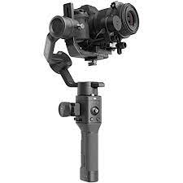 |  |  | 0.00 | 0.00
 | Steadicam Additional features - suitable for phones (54-88 mm), tilt angle: 280 °, charging time: 3 h Connector type - USB Type-C | 1 | 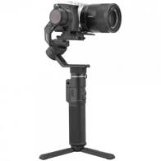 |  |  | 0.00 | 0.00
 | Monopod Monopod / handle type | 4 |  |  |  | 0.00 | 0.00
 | Microphone adapter 3.5MM MIC ADAPTER Compatibility: HERO9 Black, HERO8 Black, HERO7 Black, HERO6 Black, HERO5 Black, HERO5 Session | 3 |  |  |  | 0.00 | 0.00
 | Radio microphone RF Modulation: GFSK (Gauss frequency Shift Keying) Frequency band: 2.4GHz (2405-2478MHz) Frequency response: 35Hz-14KHz±3dB Signal/Noise: 84dB or more Distortion: 0.05% or less (32Ω,1 KHz,65mW output) RF output level: 3mW Earphone output level: 32Ω,65mW Reception sensitivity: -90dB +/- 3dB / 0dB=1V/Pa, 1kHz Audio input connector: 3.5mm mini jack Operation range: 60m (197ft) (without obstacle) Power requirements: 3V DC (Two AAA size batteries) Consumption power: Transmitter: 3V/70mA Receiver：3V/70mA Dimensions: Receiver: 45x70x35mm Transmitter: 45x70x35mm Weight: Receiver: 47g Transmitter: 47g | 3 | 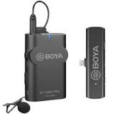 |  |  | 0.00 | 0.00
 | Set of studio lights Model - : Gate: RS-2030 Racks LS-803 2 pieces, Height -190 cm, Racks when folded 70 cm. Crossbar (length 80 cm * 4 parts = 3.2 m.) Crossbar when folded 80 cm. Clip-holders - CC-M - 3 pieces Background fabric BM-3030 white 3x3m (DP BM-3030 White) - 1 piece Set of constant light 50x70cm 85Wx2 E27 - 1 piece. The set consists of: racks LS-803 - 2 pieces, sotfboxes 50X70 - 2 pieces, fluorescent lamps 85W - 2 pieces. Bag (dimensions of a set) - 1 piece. 80Х20Х20. The weight of the set is 9 kg. " | 1 | 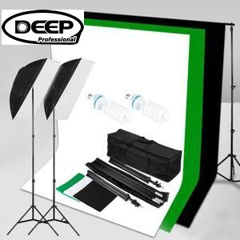 |  |  | 0.00 | 0.00
 | Phone tripod with LED ring Purpose - For smartphones Connection to devices - USB-connector Compatibility - Android, iOS Material - Metal, Plastic Batteries - Built-in battery Remote control - Yes Length in the unfolded state - 210 cm | 1 | 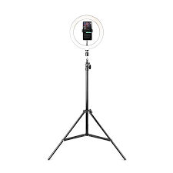 |  |  | 0.00 | 0.00
 | Memory stick 256 GB Memory standard - microSDXC Recording speed - up to 90 MB/s Speed class - U3 Read speed - up to 170 MB/s Video speed class - V30 | 2 |  |  |  | 0.00 | 0.00
 | Battery pack AAA 750 мА Size AAA Type Nickel-metal hydride (Ni-MH) Rated voltage, B 1.2 Quantity in pack: 4 pieces Capacity 750 Country of origin China | 2 |  |  |  | 0.00 | 0.00
 | Charger CEF14 Battery size: AA, AAA Ni-Cd, Ni-Mh batteries Power line supply LED charging indication | 1 |  |  |  | 0.00 | 0.00
 | Camera With 16-50mm Lens Specs Lens MountSony ELens Included16-50mm Power Zoom Lens Format/SizeAPS-C (1.5x Crop Factor) / 23.5 x 15.6mmTypeCMOSPixelsActual: 25 Megapixel Effective: 24.2 MegapixelAspect Ratio3:2, 16:9Dust Reduction SystemYesImage StabilizationNo File FormatsStill Images: JPEG, RAW Movies: AVCHD 2.0, MP4, XAVC S Audio: AC3, Dolby Digital 2ch, Linear PCMRaw Output14-BitVideo Recording3840 x 2160p at 24/25/30 fps (100, 60 Mb/s XAVC S) 1920 x 1080p at 100/120 fps (100, 60 Mb/s XAVC S) 1920 x 1080p at 24/25/30/50/60 fps (50 Mb/s XAVC S) 1920 x 1080p at 50/60 fps (25 Mb/s XAVC S) 1920 x 1080p at 25/30 fps (16 Mb/s XAVC S) 1920 x 1080i at 50/60 fps (24, 17 Mb/s AVCHD)Video Aspect Ratio16:9File Size (Video)N/APrintExif Print, Print Image Matching III, DPOF settingMaximum Recording TimeN/ACamera Start-up Time / Shutter LagN/APicture StyleStandard, Vivid, Neutral, Clear, Deep, Light, Portrait, Landscape, Sunset, Night Scene, Autumn leaves, Black & White, Sepia, Style Box (1-6), (Contrast (-3 to +3 steps), Saturation (-3 to +3 steps), Sharpness (-3 to +3 steps)) MicrophoneBuilt-in stereo microphone Touch ScreenYesSize3.0"Technology / ResolutionTFT / 921,600 dotsAdjustable AngleUp by approx. 180 degrees, Down by approx. 74 degreesBrightness ControlManual (5 steps between -2 and +2), Sunny Weather modeScreen CoverageN/A | 1 | 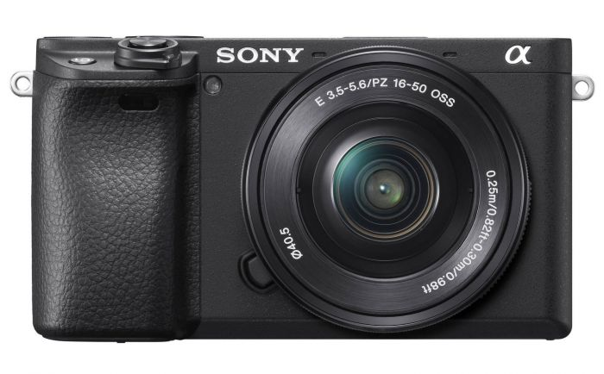 |  |  | 0.00 | 0.00
6 | Battery for camcorder VW-VBT380 (3560 mAh) DV00DV1411 PowerPlant Compatibility Panasonic: HC-VX980 , HC-VX989 , HC-VXF990 , HC-VXF999 , HC-W570 , HC-W580 , HC-W850 , HC-W858 , HC-WX970 3.6 V 12.8 Wh Li-ion 3560 mAh | 1 | 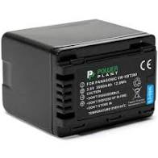 |  |  | 0.00 | 0.00

 |  |  | Warranty term | 1 year
 |  |  |  |  |  | Total, less VAT | 0.00
 |  |  | Delivery destination | Sviatohirsk, Nezalezhnosti Per., 5 Gorbacheva Anastasiia, 380505349777 Donetska oblast, Druzhba, Zarichna Str, 1, Golovatiy Oleksiy, 380507543340 Avdiivka, Savkevych Oleksii, Mendeleeva Str, 6, 38050 471 54 48 Novgorodske, Sadova Str., 1, Krasko Tetyana, 380956994698 |  | VAT | 0.00
 |  |  | Delivery cost, UAH, less VAT: | 0.00 |  | Total w. VAT | 0.00
 |  |  | Delivery term, calendar days: | 10 days
 |  |  |  |  |  | DAP total, less VAT: | 0.00
 |  |  |  |  |  | DAP tota, w. VAT: | 0.00
 |  |  | Vendor name

 |  |  | Name, Surname, occupation:

 |  |  | Date:

 |  |  | Signature, date:

