Lot #1
LOT #1 "equipment for social hub in Komyshne"
# | Description | Q-ty | Reference image | Product of offer, description | Product of offer, image | Unit price, UAH, less VAT | Cost, UAH, less VAT
1 | MFP. Laser MFP b / w with automatic document feeder. Paper size: A4, density 60-120 g / m2. Maximum print resolution - 1200 * 1200 dpi; Maximum scanning resolution - 600 * 600 dpi; Print speed - min. 35 st / min; Copy speed - min. 35 st / min one-sided, min. 30 ppm bilateral; Scan speed - monochrome min. 35 st / min one-sided, color - min. 13 st / min. Interface: USB 2.0, Wi-Fi, Ethernet. | 1 |  |  |  | 0.00 | 0.00
2 | Laptop. Screen 15.6 ", 1920 * 1080, IPS. CPU: physical cores min. 4, streams 8. Base frequency 1GHz, maximum - 3.6 GHz +. Built-in graphics accelerator. RAM: min. 8GB GDDR4, 2400MHz +. ROM: min. SSD 512 GB. Battery: min. 40 W / g. Interfaces: 1 * USB-C 3.1, 2 * USB 3.0, 1 * HDMI 2.0, 1 * Ethernet, 1 * audio in / out, 1 * micro SD. Built-in webcam 720p +. With pre-installed Windows 10 Pro 64 bit, or similar OS that supports Ukrainian and Russian and is legally suitable for professional use. | 2 |  |  |  | 0.00 | 0.00
3 | Stereo acoustics 2.1. Speaker power - min. 30 W (2 * 15, two-way), subwoofer power min. 40 W. Built-in amplifier. Interfaces: 2 * RCA, USB, SD-card. Wired connection. Power supply - 220V. Set with remote control. | 1 | 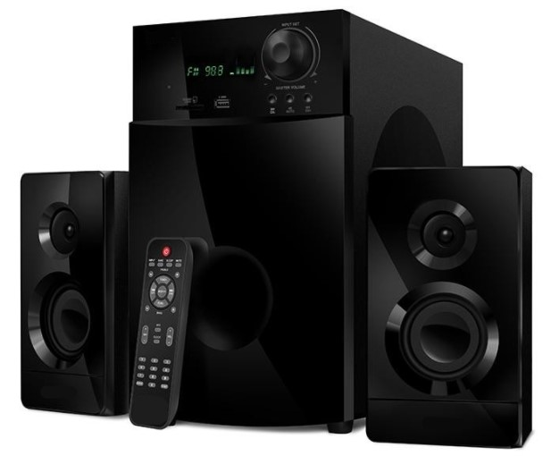 |  |  | 0.00 | 0.00
4 | Projector. Projection distance 1 - 10 m. Projection diagonal 0.65 - 7.60 m. DLP matrix type, basic resolution min. 1024 * 768 pixels. Light source - incandescent lamp, min. resource 6000 hours. Luminous flux min. 4000 ANSI lm. Contrast 20,000: 1. Interfaces: 1 * HDMI 2.0, 1 * VGA, 2 * USB 2.0, 1 * RCA. Supplied with wall screen for projector. Rolled type with chain control mechanism. The aspect ratio (aspect ratio) should match that of the proposed projector. Material matte white PVC film. Min. Useful size 160 * 120cm (W * H). The projection type is straight. | 1 |  |  |  | 0.00 | 0.00
5 | Set of board games. Set of 5 different board games. Game categories: logic, fantasy, arcade, social. Age category: 8-16 years. Language: Ukrainian and Russian. | 1
6 | Office water cooler. Type of accommodation: table. Bottle loading type: vertical. Temperature range 10-95C. Heating power. Min 420W. Cooling capacity min. 75 W. Built-in hot water tank min 0.75l. With a container for water drops. | 1 |  |  |  | 0.00 | 0.00

 |  |  | Warranty term: | 1 year
 |  |  | Required supply term: | 30 calendar days
 |  |  |  |  |  | Total, less VAT | 0.00
 |  |  | Delivery address | Komyshne, Druzhby str., 1 |  | VAT | 0.00
 |  |  | Delivery cost, UAH, less VAT: | 0.00 |  | Total, w. VAT | 0.00
 |  |  | Compliance to the supply term requirement (yes/no):
 |  |  | If no, please indicate suggested supply term in calendar days: |  |  | Total, less VAT, DAP | 0.00
 |  |  |  |  |  | Total, w. VAT, DAP | 0.00
 |  |  | Supplier Name:

 |  |  | Name, surname, occupation:

 |  |  | Date surname:

 |  |  | Signature, stamp:

Lot #2
Lot #2 "equipment for social hub in Nyzhnia Vilkhova: furniture"
# | Description | Q-ty | Reference image | Product of offer, description | Product of offer, image | Unit price, UAH, less VAT | Cost, UAH, less VAT
1 | Office chair. Metal frame. The seats are upholstered with foam mines 35 mm thick. Gray fabric upholstery. Load max 120 kg. Dimensions: 860 * 530 * 560mm (H * W * D). | 20 | 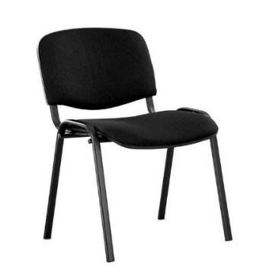 |  |  | 0.00 | 0.00
2 | Armchair bag. Size - min. 130x90cm (HxW), lined with a fabric with a water-repellent effect, such as "Oxford" or analogues. Removable case for self-cleaning. Color matching. | 5 |  |  |  | 0.00 | 0.00
3 | Information board. Type - wall-mounted for indoor use. The basis of the product is a plastic composite material of thicknesses. min 4mm. Finishing with oracle, color by agreement. The stand is designed for 10 pockets in A4 format with bevels for easy replacement of filling. Material of pockets - acrylic, thickness. min.3 mm. Supplied with mounting accessories. Text content "Information". | 4 | 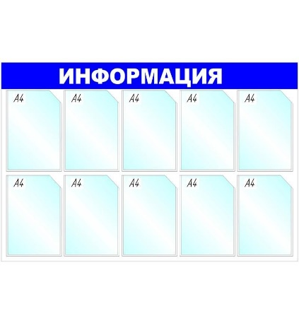 |  |  | 0.00 | 0.00
4 | Table, type A. Product material - 18 mm chipboard, color by agreement. Edging - PVC thickness. min 1mm. Size: min. 1350 * 750 * 720mm (W * H * D). Legs with height adjustment. | 2 | 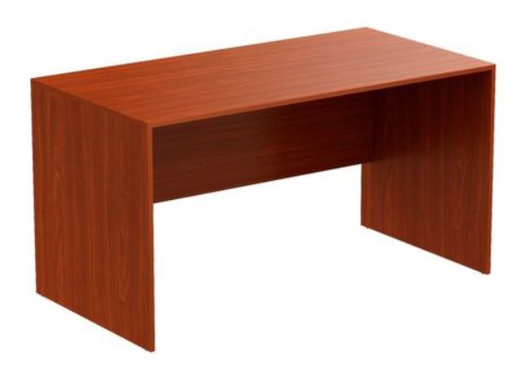 |  |  | 0.00 | 0.00
5 | Table, type B. Product material - laminated chipboard 16 mm with edging min. 0.8mm. Size: 100 * 60 * 74cm (W * D * H). Color by agreement. | 4 | 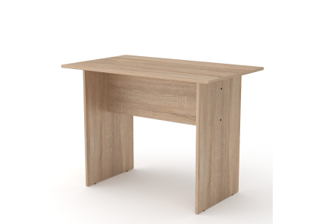 |  |  | 0.00 | 0.00
6 | Wardrobe. Product material - chipboard 16 mm, edging min. 0.8mm. Dimensions 1900 * 800 * 600mm (H * W * D). With a shelf for shoes from below, height of mines is 350 mm. With a lumbar tube for hangers. Color by agreement. | 2 | 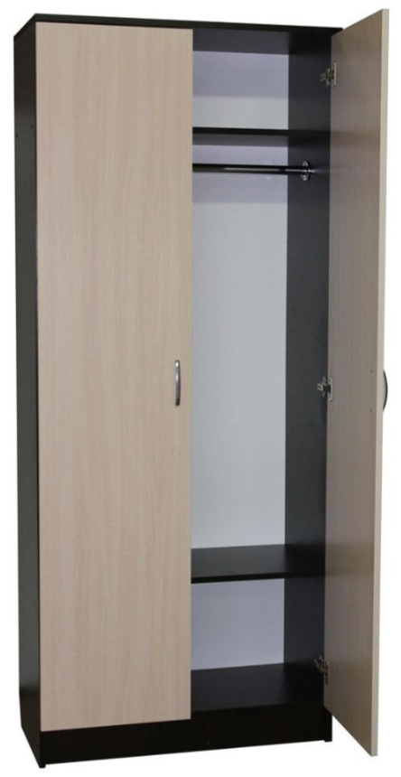 |  |  | 0.00 | 0.00

 |  |  | Warranty term: | 1 year
 |  |  | Required supply term: | 30 calendar days
 |  |  |  |  |  | Total, less VAT | 0.00
 |  |  | Delivery address | Komyshne, Druzhby str., 1 |  | VAT | 0.00
 |  |  | Delivery cost, UAH, less VAT: | 0.00 |  | Total, w. VAT | 0.00
 |  |  | Compliance to the supply term requirement (yes/no):
 |  |  | If no, please indicate suggested supply term in calendar days: |  |  | Total, less VAT, DAP | 0.00
 |  |  |  |  |  | Total, w. VAT, DAP | 0.00
 |  |  | Supplier Name:

 |  |  | Name, surname, occupation:

 |  |  | Date surname:

 |  |  | Signature, stamp:

