Annex A (2)
Ukraine Procurement Plans - COVID 19 Response - March 2019

Annex A - Specification of partitions and electric system to UKRKI / RFQ / 2021-140

A. The partitions: | Description of requested Goods | Rooms |  | Proposed Design | Description of proposed Goods |  | Design of proposed Goods
 |  | A1 (room 11) | A2 (room 12) |  | A1 (room 11) | A2 (room 12) | A1 (room 11) | A2 (room 12)
Frame | High-quality PWC, min 3 chambers, min 60mm. During installation, tape for vibration compensation should be used. | 7.8m x 2.8m* | 7m x2.8m* | 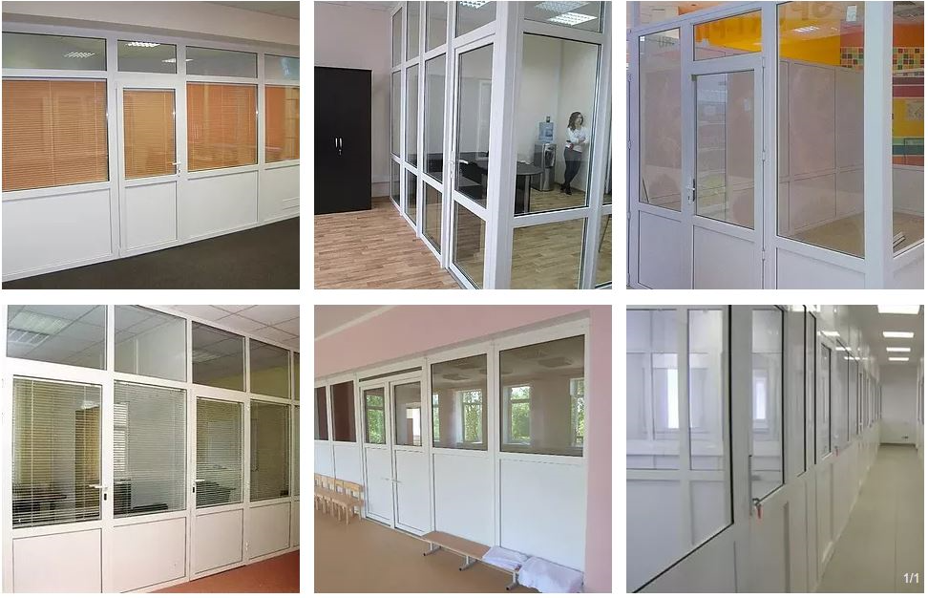
Still poles | Steel, fix to up and down, for one for each frame, and two for doors | 5* | 7*
The Filling of the lower part of the space | Sandwich panel, with high sound resistance. | + | +
The Filling the top part (s) | Two glass window blocks with inert gas. Frosted glass (optional). | + | +
Doors | Internal high-quality doors with low doorstep. Lockable (simple). Additional hinges. | 1 | 2
Joints to existing walls | Improved quality painted steel or plastic. | 4* | 4*
*Sizes and quantities are indicative. Have to be verified by a spescialised company depending on the exact system chosen.

B) Electrical system | Description of requested Goods | Rooms
 |  | A1 (room 11) | A2 (room 12)
Lights | Reuse existing | 9 | 9
Cables | 1,5mm2, copper (Box installation on existing walls) | 20 l.m* | 20 l.m*
Switchers | High-quality. On-top installation. Colour wite. | 2 | 3
*Sizes and quantities are indicative. Have to be verified by a specialised company depending on the exact system chosen.

Attention! The pictures in this specification are provided as examples for explanation of product requirements. UNHCR does not require suppliers of identical goods.

 | Incoterms 2020
 | DAP Kyiv - Ukraine / DAP Київ - Україна
 | Delivery and installation: Kyiv, Lavrska Str., 16

 | Delivery Lead Time in Days for production, delovery and installation:

 | Name of the company

 | Name

 |  | Title

 |  | Date

 | Your quotation must be valid as least for 30 days

 | Warranty period for Goods requested and Services Provided (in months):

 | Stamp and signature

Kindly ask you to ptovide both Excel and PDF files / Будь ласка, обов'язково надавайте цю форму заповненою в форматах Excel та PDF

