Sheet1
ANNEX A - Technical Specification to UKRKI/RFQ/2023-111 for one-off procurement of Video Conference Equipment
The system should be compliant with Logitech Microsoft Teams Solutions

Ukraine Video Conferencing Equipment
S/N | Item | No. | Description | Details | Qty
1 |  Large Room - Tap, Rally Plus & Meeting Room Computer | 1 | Logitech Rally Plus (PN:960-001225) | • Rally Camera • Rally Display Hub • Rally Table Hub • Rally Speaker (x2) • Rally Mic Pod (x2) • Remote control • USB Type C to USB Type C • USB Type A to USB Type B • CAT6A Ethernet cable • HDMI Type A (x2) • A/C cables (x2) • Power Supplies (x2) | 4
 |  | 2 | Logitech Tap (PN: 939-001796) | 10.1” touch screen | 4
 |  | 3 | Accessories | Rally Mounting Kit (Part #: 939-001644) | 4
 |  |  |  | Rally Mic Pod (Part #: 989-000430) (x5) | 20
 |  |  |  | Rally Mic Pod Hub (Part #: 939-001647) (x7) | 28
 |  |  |  | Mic Pod Mount (Part #: 952-000002) (x7) | 28
 |  |  |  | Cat5E Kit for Logitech Tap (PN: 952-000019) | 4
 |  |  |  | Logitech Strong 25 Meter USB Cable (PN: 939-001802) | 4
 |  |  |  | Tap PC Mount (Part #: 939-001825) | 4
 |  |  |  | Logitech Screen Share (PN: 939-001553) | 4
 |  |  |  | Table Mount for Logitech Tap (Part #: 939-001811) | 4
2 | 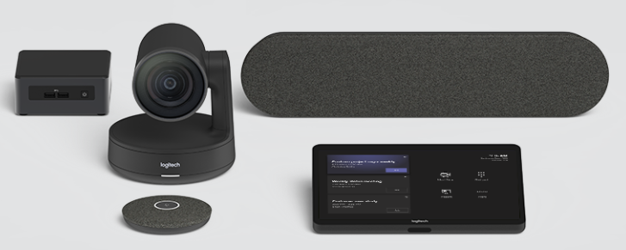 Medium Rooms - Tap, Rally & Meeting Room Computer | 1 | Logitech Rally (PN: 960-001217) | • Rally Camera • Rally Display Hub • Rally Table Hub • Rally Speaker (x1) • Rally Mic Pod (x1) • Remote control • USB Type C to USB Type C • USB Type A to USB Type B • CAT6A Ethernet cable • HDMI Type A (x2) • A/C cables (x2) • Power Supplies (x2) | 9
 |  | 2 | Logitech Tap (PN: 939-001796) | 10.1” touch screen | 9
 |  | 3 | Accessories | Rally Mounting Kit (Part #: 939-001644) | 9
 |  |  |  | Rally Mic Pod (Part #: 989-000430) (x5) | 45
 |  |  |  | Rally Mic Pod Hub (Part #: 939-001647) (x7) | 63
 |  |  |  | Mic Pod Mount (Part #: 952-000002) (x7) | 63
 |  |  |  | Logitech Strong 25 Meter USB Cable (PN: 939-001802) | 9
 |  |  |  | Cat5E Kit for Logitech Tap (PN: 952-000019) | 9
 |  |  |  | Tap PC Mount (Part #: 939-001825) | 9
 |  |  |  | Table Mount for Logitech Tap (Part #: 939-001811) | 9
3 | 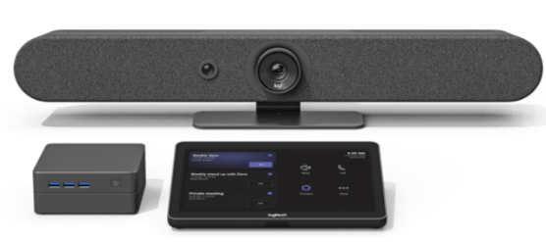 Small Rooms - Rally Bar Mini | 1 | Rally Bar Mini (PN: 960-001336) | • Rally Bar Mini • Power supply • AC power cord • HDMI cable • USB cable • Remote control • Lens caps for main lens and AI Viewfinder | 13
 |  | 2 | Logitech Tap (PN: 939-001796) | 10.1” touch screen | 13
 |  | 3 | Accessories | Logitech Strong 25 Meter USB Cable (PN: 939-001802) | 13
 |  |  |  | Rally Mic Pod (x3) | 39
 |  |  |  | Rally Mic Pod Hub (x3) | 39
 |  |  |  | TV Mount for Video Bars | 13
 |  |  |  | Wall Mount for Video Bars | 13
 |  |  |  | Tap PC Mount (Part #: 939-001825) | 13
 |  |  |  | Table Mount for Logitech Tap (Part #: 939-001811) | 13
4 | 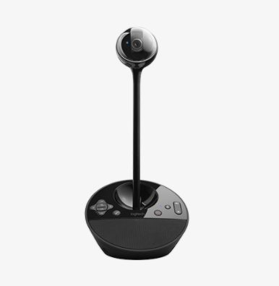 (Semi) Private/Home Offices | 1 | Logitech ConferenceCam BCC950 (PN: 960-000866) | • BCC950 ConferenceCam base and attached USB cable • Camera extender stem • Webcam head • Power cable • Remote control | 53
5 | 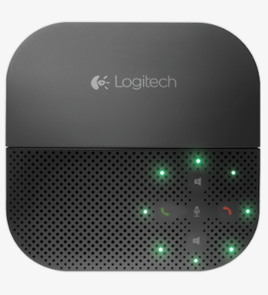 Voice - (Semi) Private/Home Offices | 1 | Logitech Mobile Speakerphone P710e (PN: 980-000741) | • Speakerphone • Travel case • Phone spacer | 63
6 | TV Screen | 1 | 65" TV Screen with Touch Capabilities Inclusive of TV Stand and PC Module | Screen size: 65” Connectivity: Wi-Fi Certified 802.11a/b/g/n/ac, Ethernet Input, Bluetooth Version 4.1;HID (mouse/keyboard connectivity)/HOGP (Low Energy device connectivity)/SPP(Serial Port Profile)/A2DP (stereo audio) 1/AVRCP (AV remote control) HDMI Input (4), Digital audio input, USB port (2) Display: OLED, HDR Compatibility, 4K HDR Processor, X-Motion clarity Audio: Output power 10W+10W, Bass reflex speaker, Dolby and DTS audio format support, Clear Audio+ Software: Operation system Android, Storage: more than 16GB Voice search Power: 50/60Hz, AC 110-240V | 6

 | Incoterms 2020
 | DAP Kyiv- Ukraine
 | Delivery address: UNHCR Office in Kyiv, Zhylianska Street, 75, Ukraine

